Instructions
Campus Targeted Improvement Plan
Intervention and Submission documents for the 2019-2020 monitoring year may be found on the Division of School Improvement web page at |  |  | https://tea.texas.gov/si/accountabilityinterventions/
Please complete all sections of the Cycles 1, 2, and 3 tabs except: - Status of Metrics/Evidence Collections - Necessary Adjustments/Next Steps - Section V: Reflections and Planning for Next 90 Day Cycle These sections will be filled out at the end of the 90 day cycle prior to the Division of School Improvement Progress Submission.
Feature/Tip | Explanation | Screenshot
Checkbox selection | Check boxes allow for selection of one or more response to a question. Place a check in the box next to all answers that apply.
Expanding rows and/or columns | If you cannot see all of the information you've entered into a cell you may adjust the height of the cell by right-clicking and increasing the height of the row. | 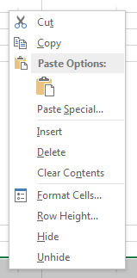 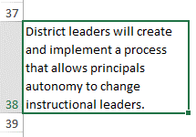
Viewing cell tips | Throughout the Improvement Plan there are cells containing notes or guidance around what should be entered into the cell. These cells are marked with a red triangle in the top-right corner. To view the information in the notes box, hover your mouse over the cell. | 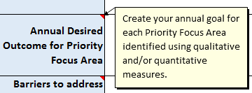
Printing the Template | The page breaks in the Improvement Plan have been set for optimal printing on a legal size (8.5 x 14) sheet of paper with the page orientation set to Landscape (horizontal). However, users may find that after completing the plan the page breaks need to be adjusted. To insert, move, or delete page breaks in an Excel worksheet, visit the Microsoft Office help page. | https://support.office.com/en-us/article/insert-move-or-delete-page-breaks-in-a-worksheet-ad3dc726-beec-4a4c-861f-ed640612bdc2

